Permeable Pavers Info
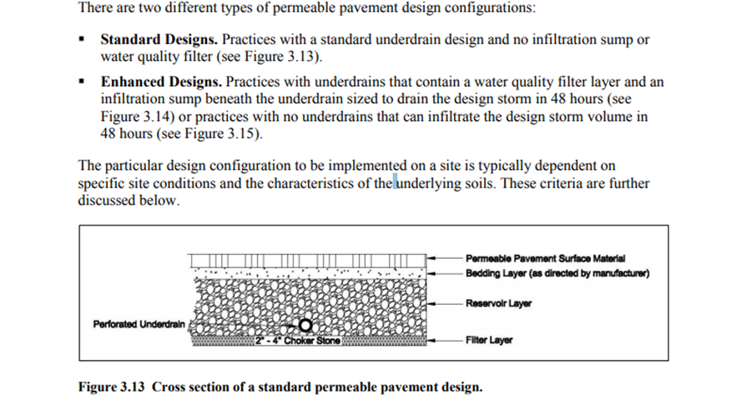
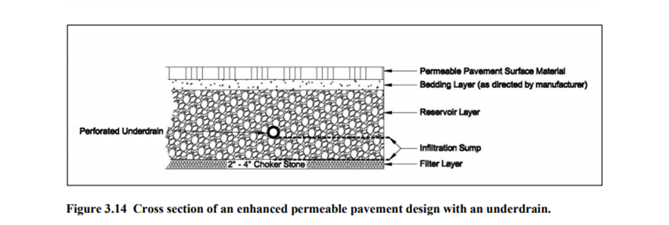
What are Permeable Pavers?
Permeable pavements are an alternative to traditional impervious pavement that allow stormwater to drain through them and into a stone reservoir where it is infiltrated into the underlying native soil or temporarily detained. They can be used for low traffic roads, parking lots, driveways, pedestrian plazas and walkways. Permeable pavement is ideal for sites with limited space for other surface stormwater BMPs. Depending on the native soils and physical constraints, the system may be designed with no underdrain for full infiltration, with an underdrain for partial infiltration, or with an impermeable liner and underdrain for a no infiltration or detention and filtration only practice. Permeable paving allows for filtration, storage, or infiltration of runoff, and can significantly reduce or eliminate surface stormwater flows.

